BugReport
Summary: | [Android] [Chrome] [Image] [Overlap] [CSS] [Responsive] Image is overlapping text on two subpages of webpage
Description: | When User uses Android mobile to visit page, it is noticed that image below the text and above the "PRIJAVA" button is overlapping text so the User cannot see all information. |  | * | Kada nadjemo isti bug na vise strana u Summary dodati da smo nasli na vise strana
 | The overlap may be the result of how Android OS interprets CSS code, as it is noticed that when observing the same page using same browser (Chrome) on Desktop, no signs of overlaping occurs. |  | * | Iako smo stranicu otvarali na telefonu, otvarali smo je u browseru i onda je to posao za Web team ne za mobile team
 | This issue can affect the apperance of the page on other devices with Android OS or devices with smaller screens. |  | * | Iako smo stranicu otvarali na telefonu, otvarali smo je u browseru i onda je to posao za Web team ne za mobile team
 | The same issue can be noticed on two subpages of the same website which can be accesed on following URLs: https://itbootcamp.rs/course/testiranje-softvera-qa/ https://itbootcamp.rs/course/osnove-programiranja-java/ |  | * | Kada nadjemo isti bug na vise strana u Summary dodati da smo nasli na vise strana i detaljno opisemo u description i dodamo screenshot, samo update postojeceg bug reporta
Steps to reproduce: |  |  | * | Icon sa tri linije se zove Haburger icon
1 | Open Chrome browser on Android device
2 | Go to URL "https://itbootcamp.rs/"
3 | Click on dropdown menu in the right upper corner which is presented as icon with three lines hamburger icon
4 | Click on the the angle bracket sign at the right end of on the "Kursevi" line
5 | Clik on "Testiranje softvera (QA)"
6 | Scroll down the screen until the image below the text and on top of "PRIJAVA" button is seen
7 | Observe the part of the screen where text ends and image begins
Expected result: | There is a space between the end of the text and the image and User can see whole text
Actual result: | Image is overlaping text and User cannot see whole text
Priority: | Medium
Severity: | Low
Repro rate: | 100%
Environment: | Production
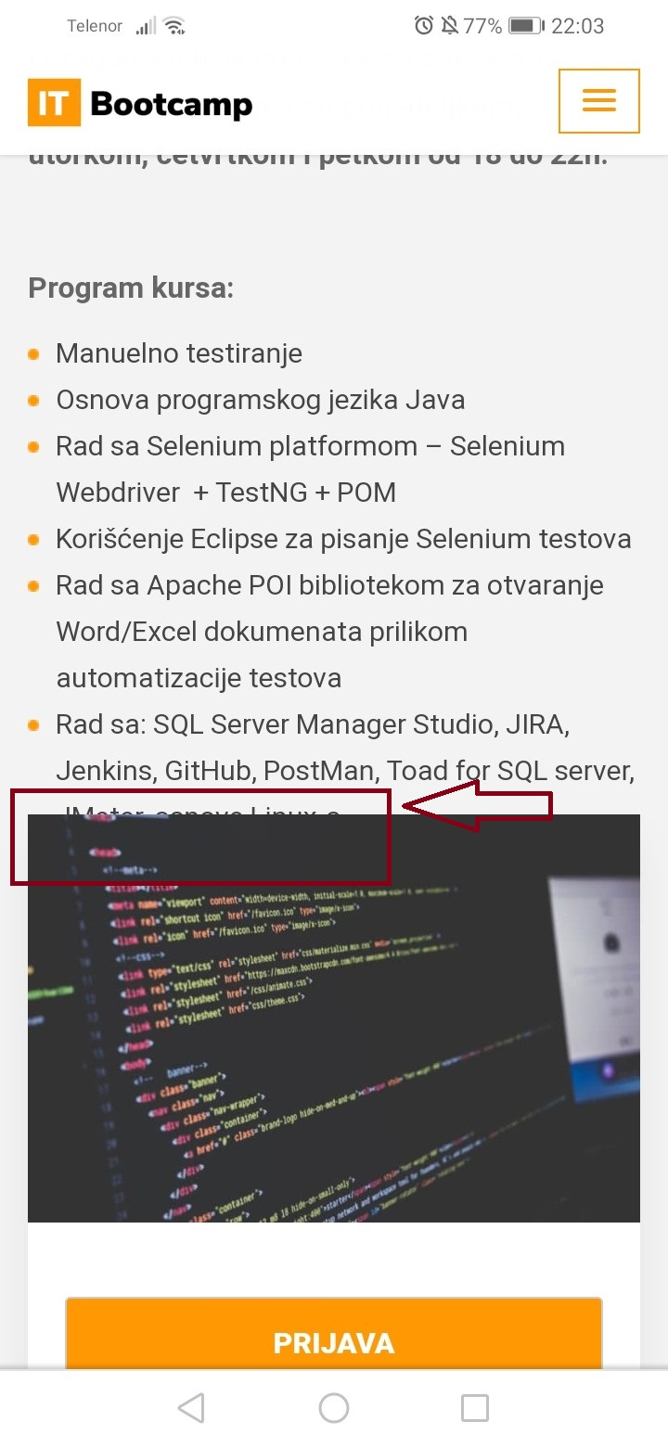
Screenshot: | Referring to URL https://itbootcamp.rs/course/testiranje-softvera-qa/ | Referring to URL https://itbootcamp.rs/course/osnove-programiranja-java/

